Sheet2
Story Beats | What happens | Purpose | Audience Emotion | Storyboard
Act 1 | Spencer walks into his first class where he meets Katey who is playing with fire in her hands. She explains that everybody has a power and asks what his is. He shows her his portal ability. She's about to ask him if his portals are like Jumping when Raven emerges from the shadows. It's time for class to start. There's a back and forth with Katey and Raven where Katey asks questions about parallel dimensions (worlds), and fighting monsters and helping people. (We work as a team--) Katey cuts Raven off as he's explaining things. Then the broccoli alarm goes off. (S: Wait, why do we have a broccoli alarm?) They jump into World 3. | Meet the Protagonists, Learn about character powers, Know enough about Jumping that it doesn't come out of nowhere by the end of the act. Learn about character personality while also convey a little bit about the world at the same time. | Interested, Understand the characters and world enough to not be lost by the time we get into the action
Hook | As Spencer stands outside his first classroom, the class is titled "Parallel Worlds 101" | Show the audience something interesting so that they keep watching | Interested | 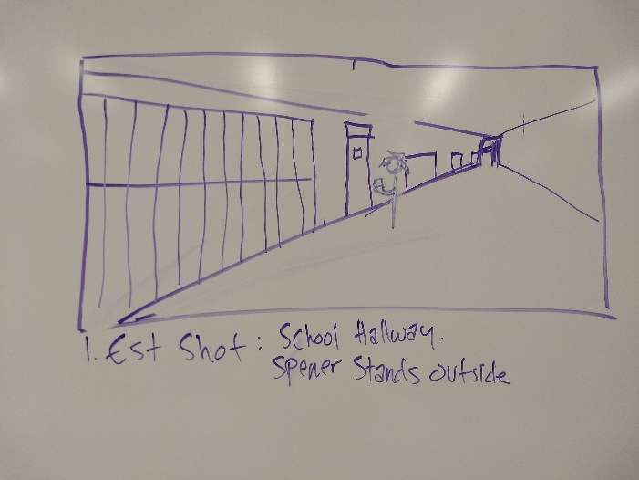
Meet the Characters | Spencer meets Katey |  | Ok, Main characters are Spencer and Katey | 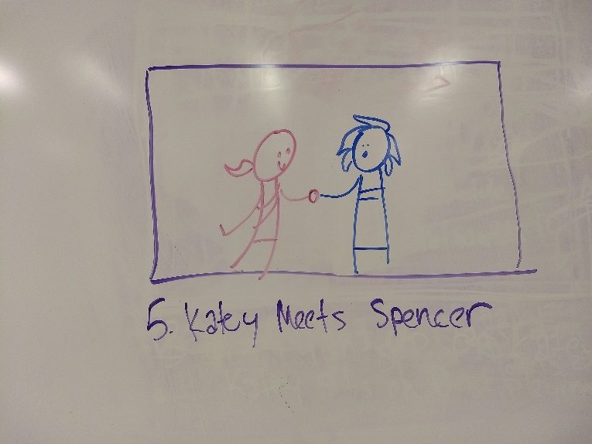
Powers | Katey is playing with her fire when Spencer walks into the room. Katey explains that everybody has a powers, and asks Spencer about his. Spencer shows her his portal ability. Katey tries to ask if it's like Jumping, but gets interrupted | Explain how powers work, foreshadow how they're going to beat the monster, foreshadow Jumping | Interested | 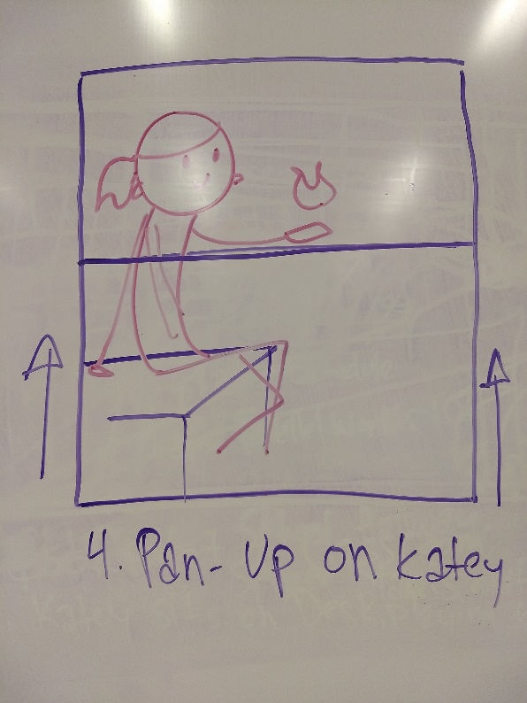 | 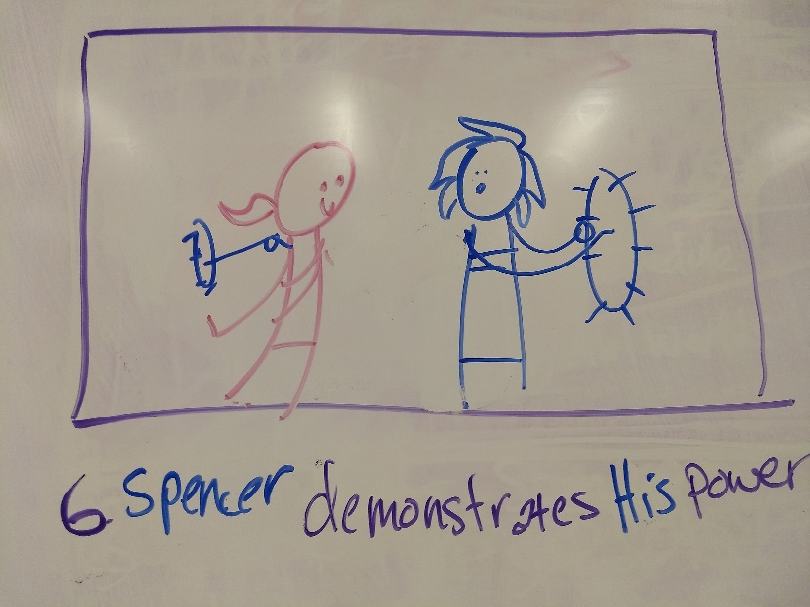
Meet Raven | Raven emerges from the shadow. Raven is the teacher (even though he's only just older than the others. Spencer can ask about this.) | Meet the mentor and introduce his power at the same time. | There's also Raven. Who is part of the Team but is a supporting character | 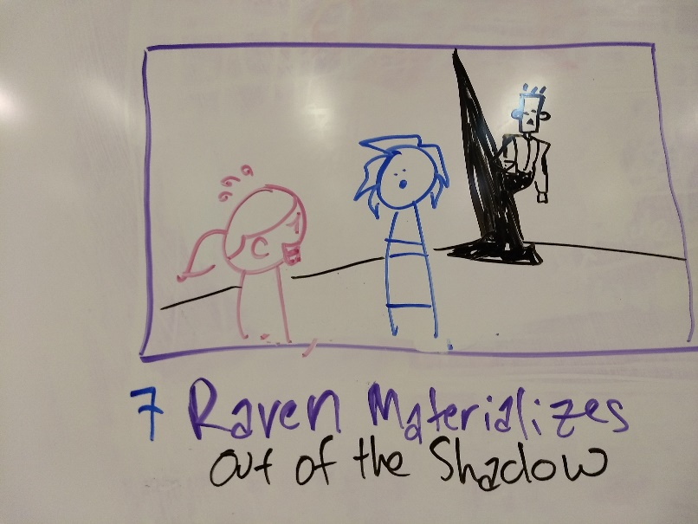
Start Class | Katey and Spencer settle into the desks and Raven gets ready to start the lesson. | Title Drop | Audience should be grounded in this world at this point | 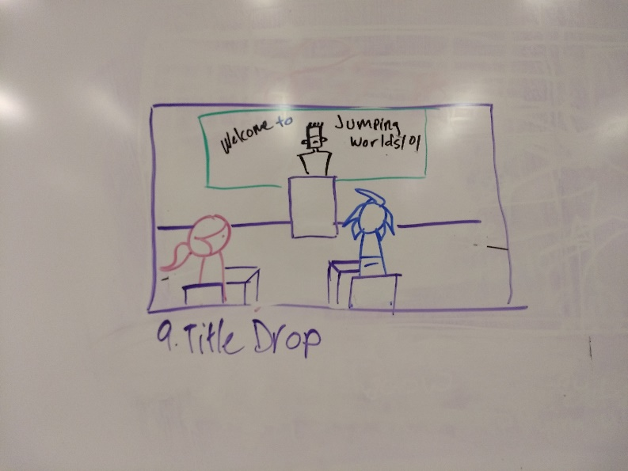
Questions | Katey raises her hand and starts asking questions. There's a back and forth with Katey asking Raven a question and Raven trying to answer it, but Katey cuts him off with the next question. | These are the questions that the audience needs to be acquainted with going forward. What is Jumping? we rever to parallel dimensions as worlds, there are 9 different worlds. The purpose of this class is to go to the different worlds and help solve problems. What's the wall of alarms over there? | Curious | 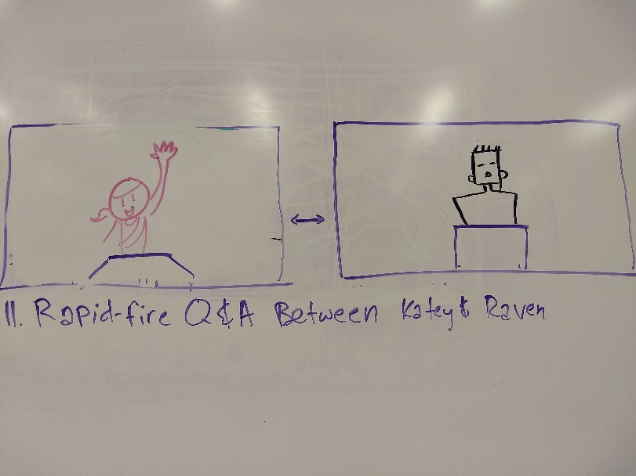
Broccoli Alarm | As Katey brings attention to the wall of alarms, the Broccoli alarm is blinking a green 3. Katey points out that the Broccoli alarm is going off in world 3. | Small Joke, Segway into the plot, Call to Action | Haha, a Broccoli alarm is silly | 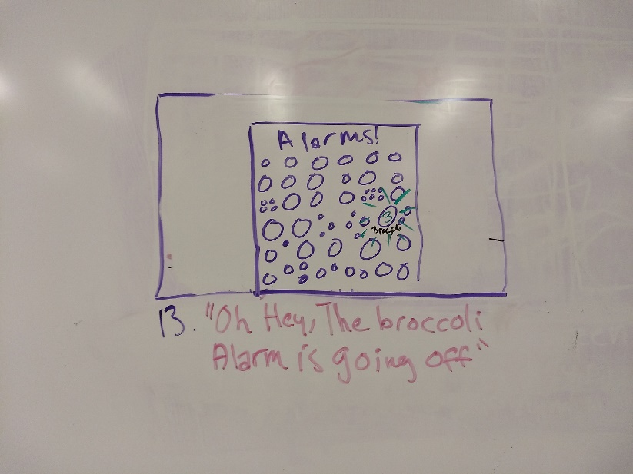
 | Spencer questions why we have a Broccoli alarm. | Move the plot forward | Wait, why IS there a broccoli alarm? | 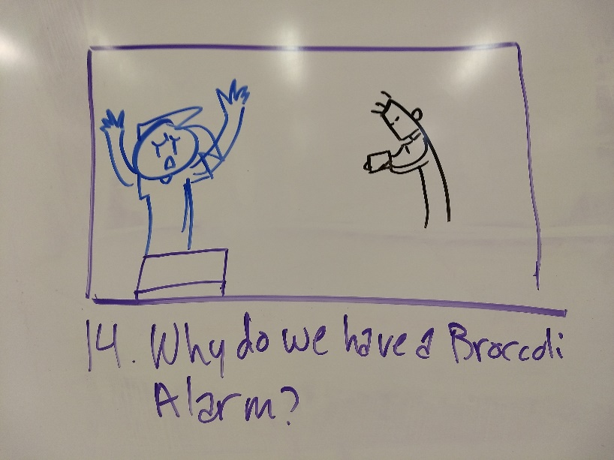
Jumping | Raven says it's time to go. He fiddles with a device for a minute, a portal opens up in the middle of the floor and they all fall through | Jump into the action, Threshold into act 2 | Wait--What? | 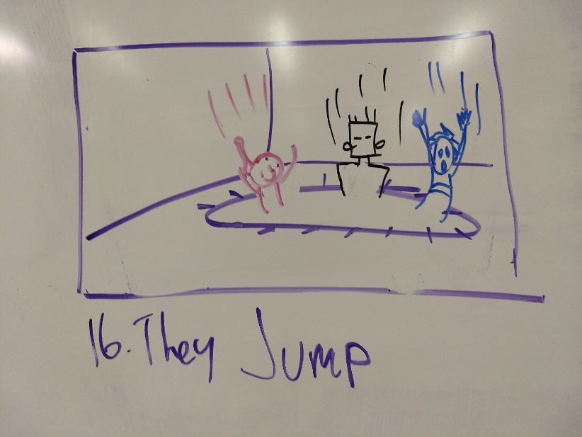
Transition | Include some sort of crazy, trippy through-a-tunnel doctor who-esque sequence here that lasts a second or two. End with the "Title of the Episode" | Jumping takes a lot of energy and time. it's not the same as Spencer's portal ability. It also helps create a buffer between the first and second acts. Get settled in for the action scenes, and treat this pilot as though it's an episode to create a proof of concept for the formula for the show | Gives the audience time to process what just happened. Create some negative space | 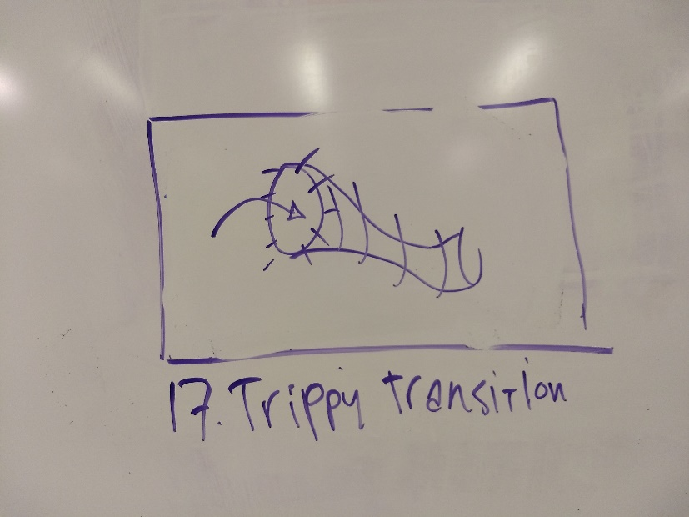
Act 2 | Establishing shot of the rooftops of a city. Clusters of buildings spread out for miles. A broccoli monster has sprouted and is spreading its vines and destroying everything. A portal opens on a rooftop near the Broccoli's stalk, and The Team fall out. Katey lands in a Hero pose, Raven lands on his feet, and Spencer lands on his butt. Spencer freaks out for a minute, and Katey explains that they're heroes and runs off. Raven tries to stop her, but she's already gone. She fights some vines, but she can't get close enough to the stalk to do any real damage. Raven notices and tells Spencer to go help her. Spencer doesn't know what to do, but Raven points out that he has portals. Raven gets distracted with a Bystander who is trapped in a bunch of vines. Spencer portals away. | Let's get into the action now. Establish the new world, Establish the monster, Get the heroes in the scene, and get ready to beat things up. Some things need to be explained to Spencer/the audience. Let's Fight monsters, solve problems, and help people. Also develop some characters. | Get ready for some action!
New World | Establishing shot of city rooftops. | Establish the new world. | Get the audience interested in the new world. Oh look, a quiet, serene city... | 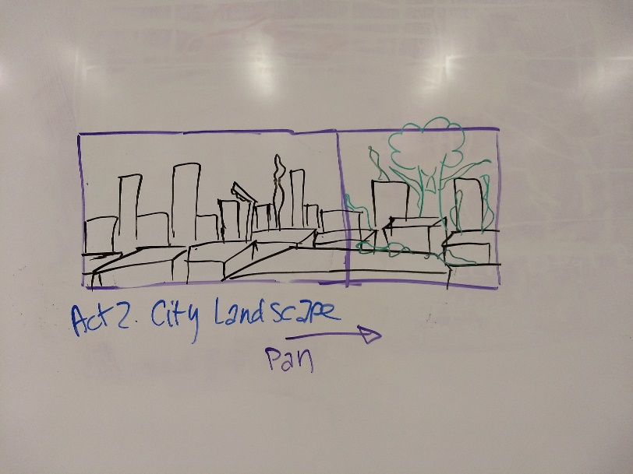
Broccoli monster is attacking | Pan to show Broccoli monster has sprouted and is causing distruction | Establish the plot/monster. Also subvert expectations | ..that's being destroyed by a giant broccoli! haha that's crazy
Dun dun dun! | Show an overly dramatic shot of the broccoli monster | This is supposed to be overly dramatic and cheesy. | Either Oh no! or Laugh | 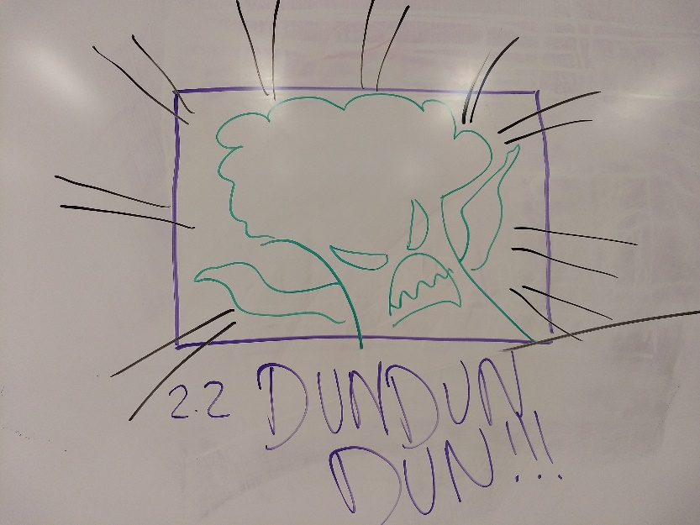
Enter Heroes | On a city rooftop nearby, a portal opens up. Katey, Raven, and Spencer fall out of the portal | Here come our heroes to save the day! | Get ready for some action! | 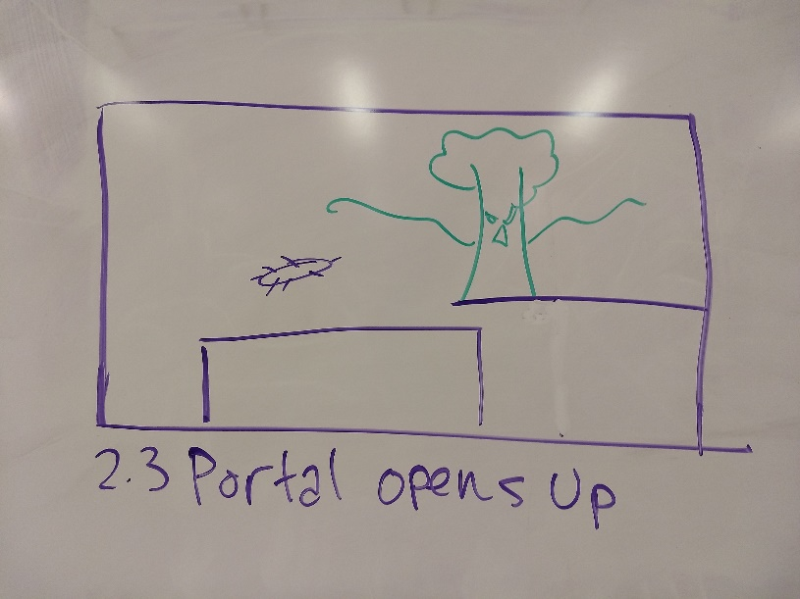
Character reactions | Katey falls in hero pose, Raven falls on his feet, Spencer falls on his butt | Part Character development, part Joke | Haha, he fell on his butt! | 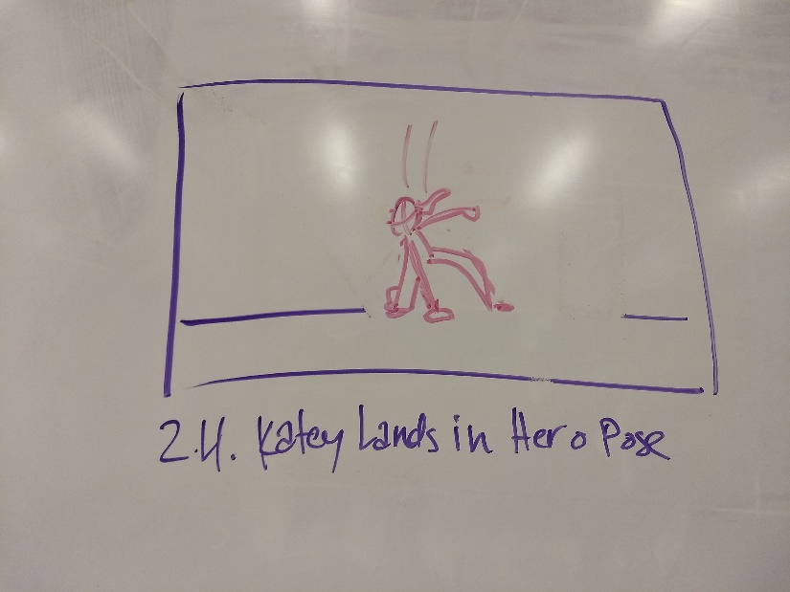 | 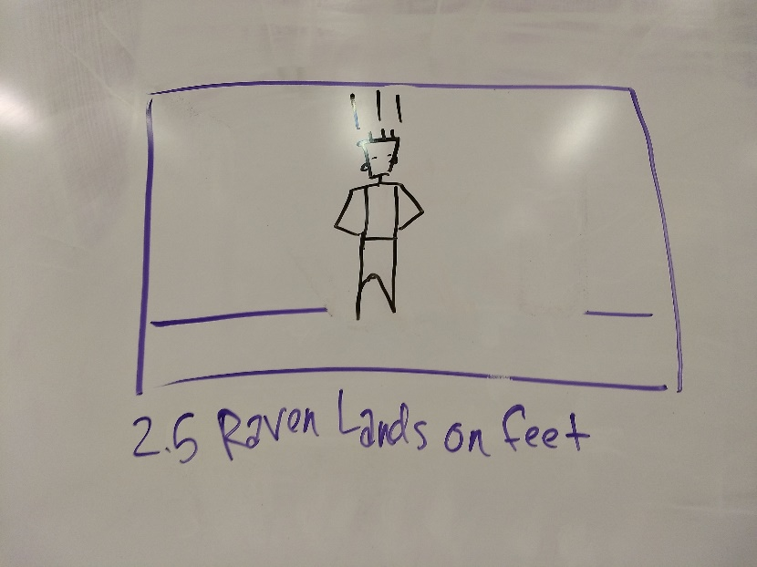 | 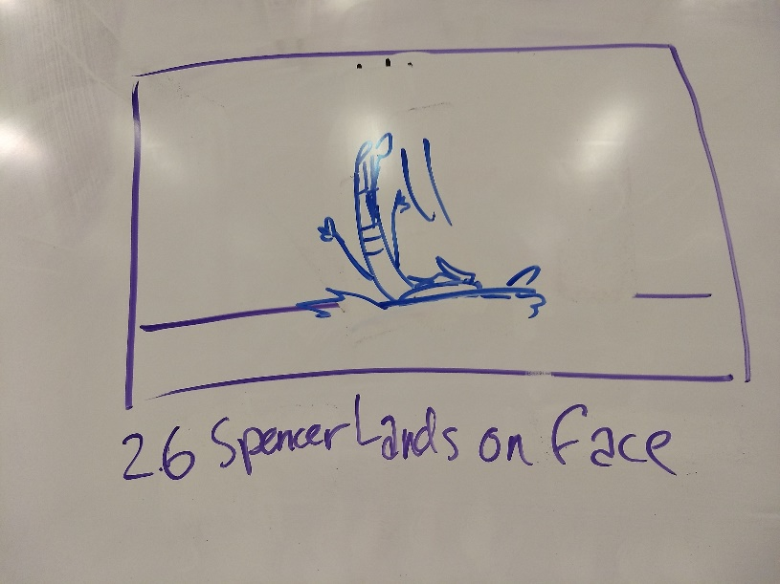
Spencer freaks out | Spencer starts freaking out. "What just happened? Where are we? Why is a giant broccoli destroying the city?" | Ask Questions, Refusal of the call | Questions should reflect what the Audience needs explained. | 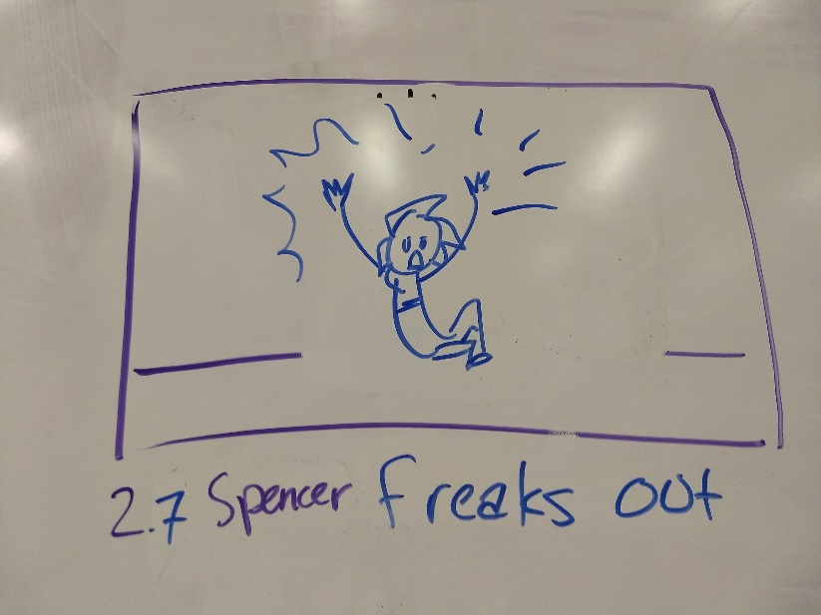
Katey quickly answers questions | "We Jumped to World 3! We're Heroes! We fight monsters! | Answers | Ok, we're in a new world, and this is an action-adventure | 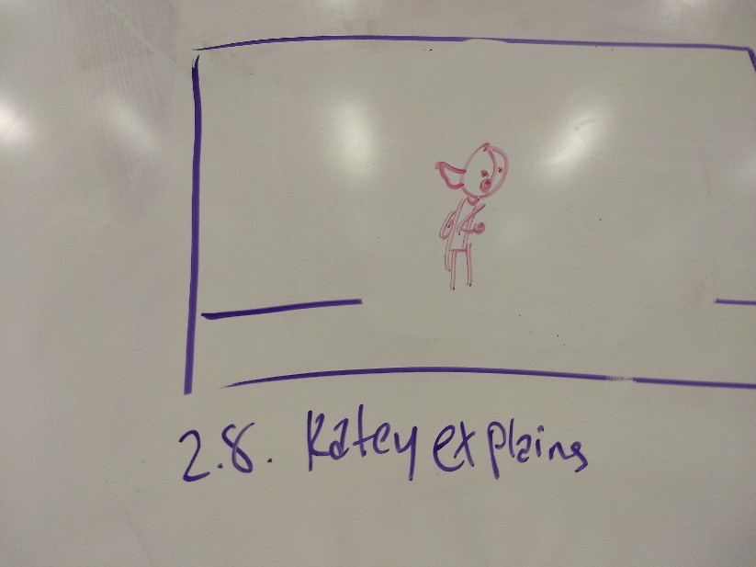
Problem | Katey runs off on her own. Raven calls out to her to wait for the rest of the team. | Establish Katey's character, and Raven's reaction to her character. Splits the party, and develops characters. | Develop tension. Splitting the party is worrisome, but also create some anticipation for the fight. | 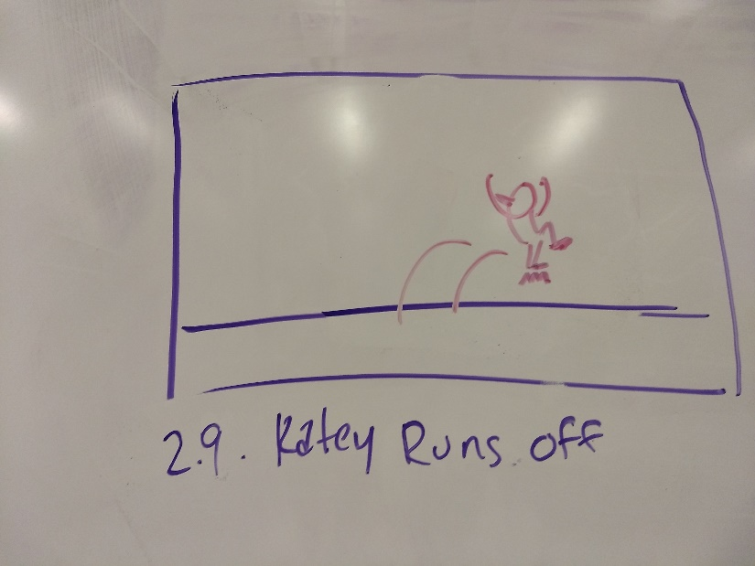 | 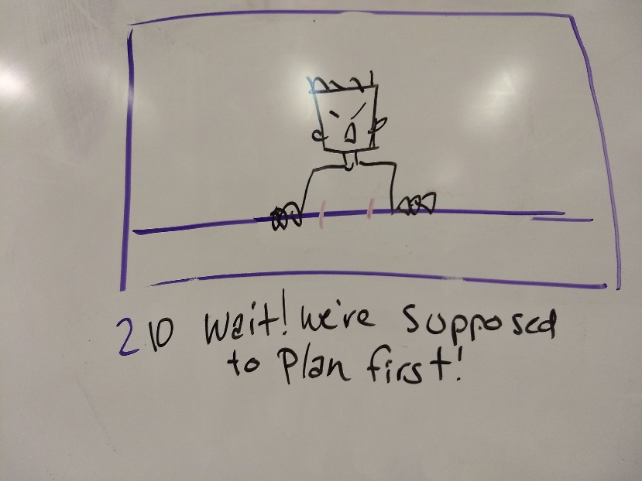
Katey fights some vines | Katey uses her fire jumping to jump on some vines and spring her upward toward the stalk. She punches and kicks her way through. | Shows that Katey is capable of fighting on her own. | Excited | 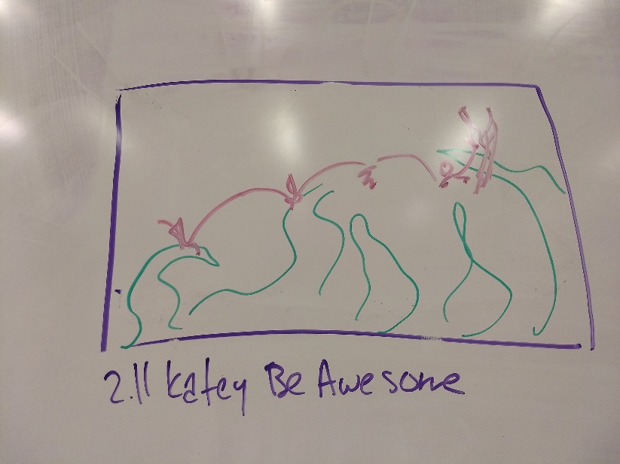
Katey can't get close to the stalk | Katey holds her own until she gets close to the stalk. The vines become too much and she can't proceed any further. | But Katey can't beat the monster on her own | Oh no! | 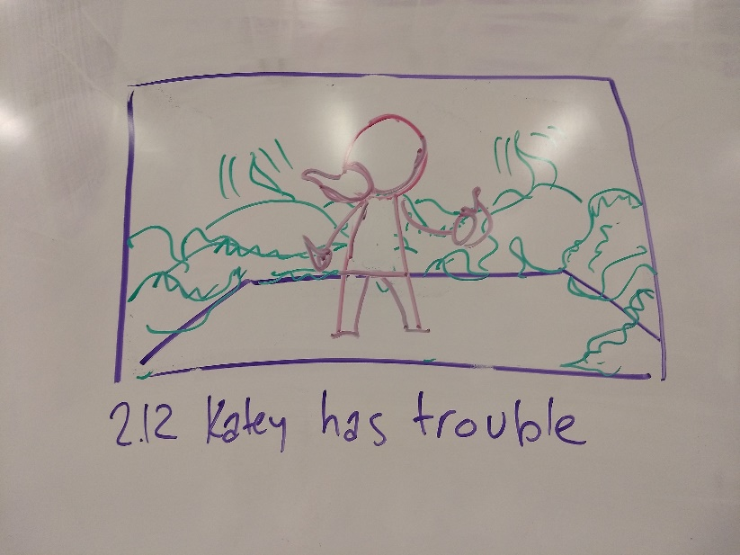
Raven tells Spencer to help | Raven notices Katey is having trouble. Raven tells Spencer to go help. | Establish Raven as the project manager of the team. | Give the audience a hint as to how they're going to beat the Broccoli | 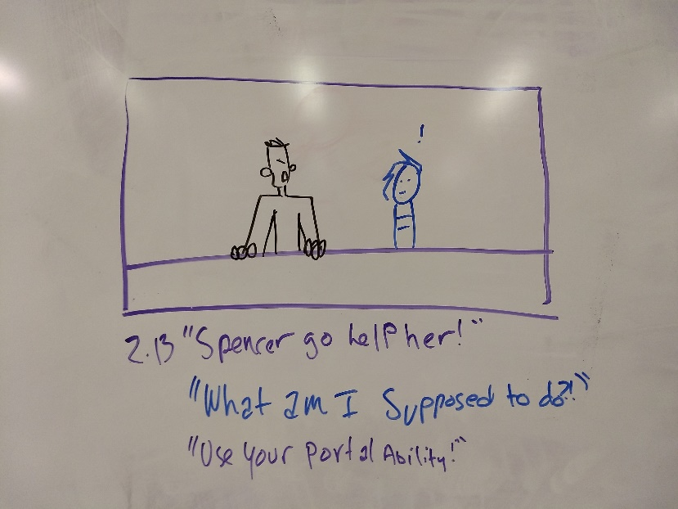
Spencer doesn't know what to do | "Help? What am I supposed to do?" | Develop Spencer as someone who's still new at this. | Anxiety
Raven points out Spencer's portal ability | "You've got your portal ability, don't you? Use your portal to help her get behind the monster!" and Spencer portals away knowing what to do | Give Spencer the answer to the problem. | Another hint at how they're going to beat the Broccoli
A bystander asks for help | Raven is ready to enter the fight himself when a Bystander interrupts him. The bystander is trapped in vines and needs help. Raven Facepalms and goes to help | A reminder that we're also there to help people, develop Raven's character, and keep him slightly separated from the rest of the team. | Brief frustration at getting interrupted | 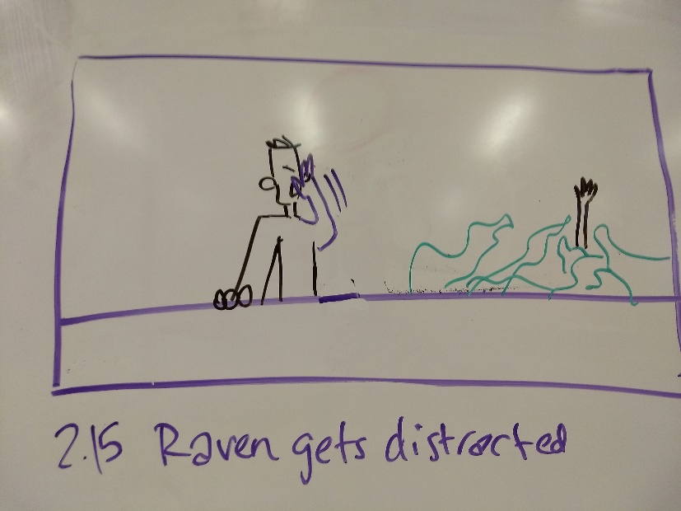
Act 3 | Spencer taps Katey on the shoulder and tells her he can get her behind the Monster. She leaps through his portal and lands a good hit on the monster. Spencer distracts the monster from looking at Katey while Katey lands another good hit. Meanwhile, Raven has gotten the Bystander out of the vines, and the Bystander runs off. Raven takes out his lazer gun and readies the final blow, but Katey has already beaten the monster. End the scene with a few Broccoli puns. | Solve the problem. Get Katey and Spencer working as a team. Raven is ready to take all the credit by being the one to kill the monster, but Katey has beaten him to it. Also add some humor into the plot.
Re-Establish Katey's problem | Katey stands near a mess of moving, whipping, thorny vines. She can't get close to the stalk. | Transition into Act 3, re-establish the problem. Re-center the audience | Get back in the action | 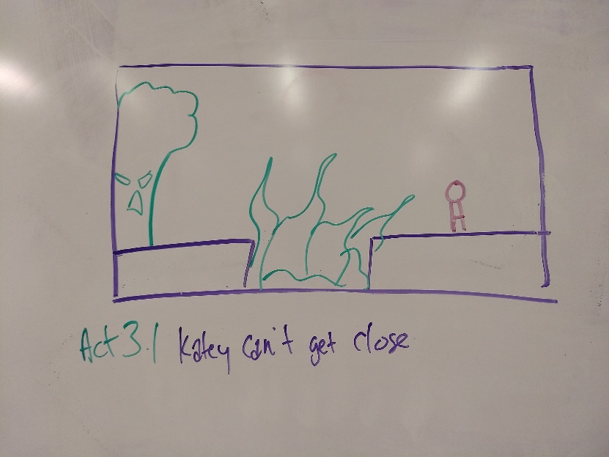
Enter Spencer | Spencer taps Katey on the shoulder. "I've got an idea you can get behind." He shows her the portal that is looking at the broccoli's back | Surprise Katey with a teammate whether or not she wants one. She should show some initial frustration at seeing him there because she wanted to do it herself, but he makes a joke | Laugh at Spencer's joke. Also, Spencer knows how to beat the monster | 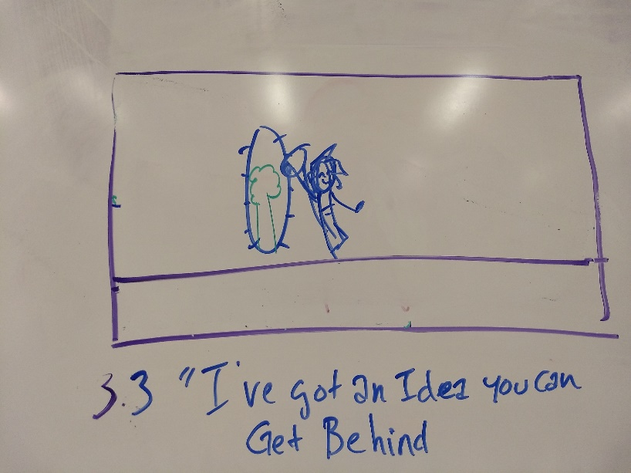
Katey lands a good hit | Katey leaps into Spencer's portal and comes out the otherside behind the Broccoli. She's able to hit the stalk. The stalk catches fire, and the monster screams | Solve the problem! | Excited! | 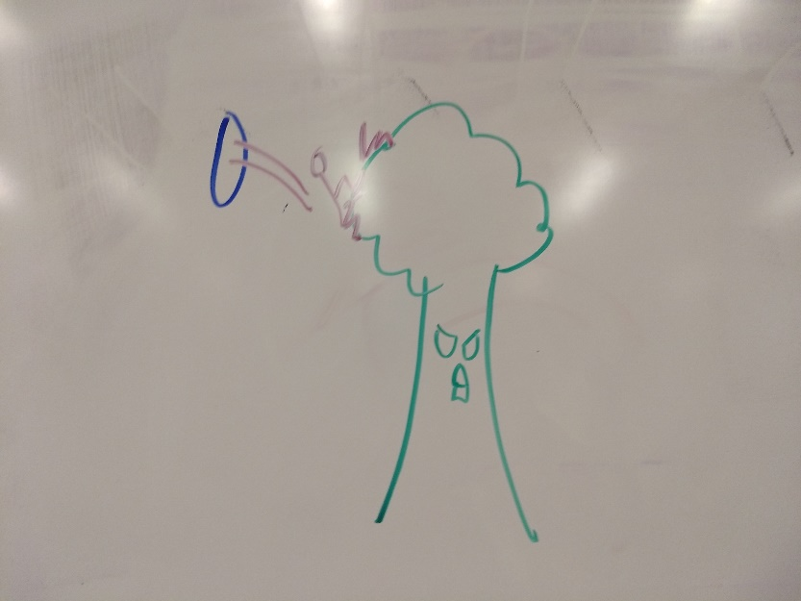
Spencer distracts the monster | The monster is about to turn around when Spencer calls out to it. He starts running up the vines like it's nothing, and portals away when the monster tries to hit him. | The audience will expect the monster to react and turn to hit Katey, but Spencer keeps it from doing that. Further solidifies that Spencer and Katey work well as a team | Oh no, how are they going to get out of this one? Oh Haha! Spencer you sly dog! | 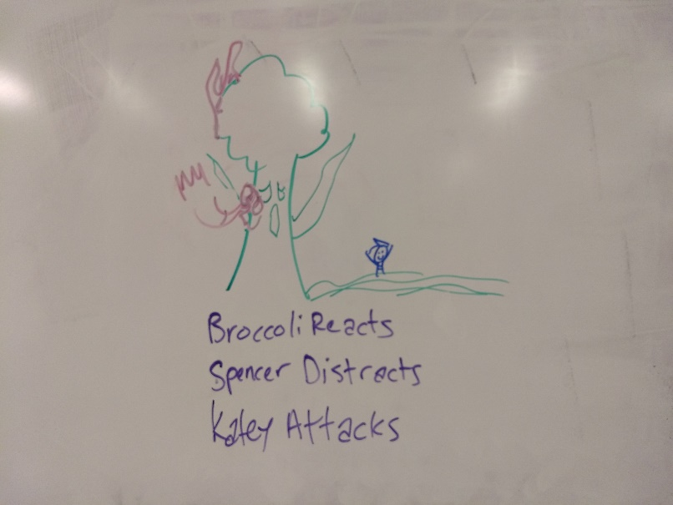
Katey gets another good hit | Because Spencer distracted the Broccoli, Katey is able to hit the stalk again. | Establish a pattern of hit-distract-hit so that when we cut away from the action to see what Raven's doing, the audience knows what's happening. | Yeah! You get it, Katey!
Meanwhile... | Raven has untangled the Bystander. The Bystander thanks Raven and runs off. | See what Raven is up to, finish up distracting him and get him back in the action | Oh good, now Raven can help! | 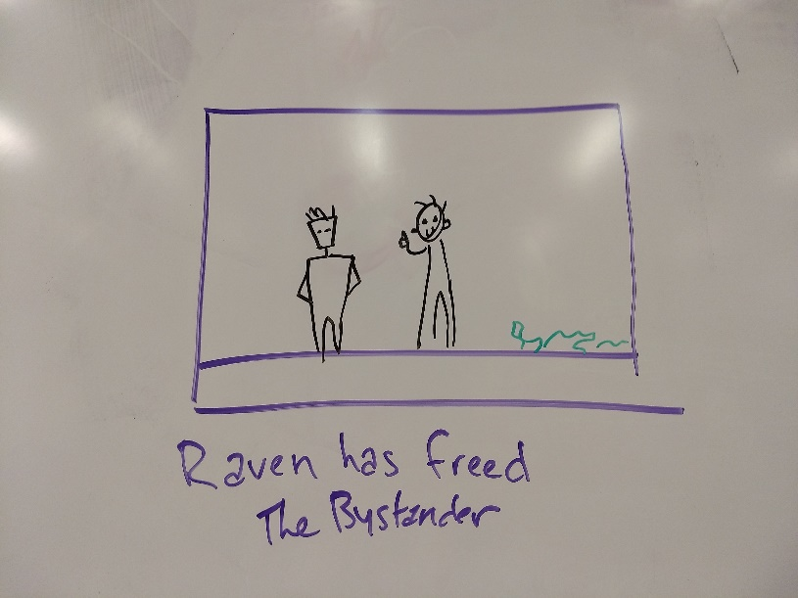
Time for me to land the final blow! | Raven gets out his lazer gun, expecting to be the one to kill the monster and take all the credit for the team's work. | Develop Raven as a character, anticipation for the climax | What's he going to do? | 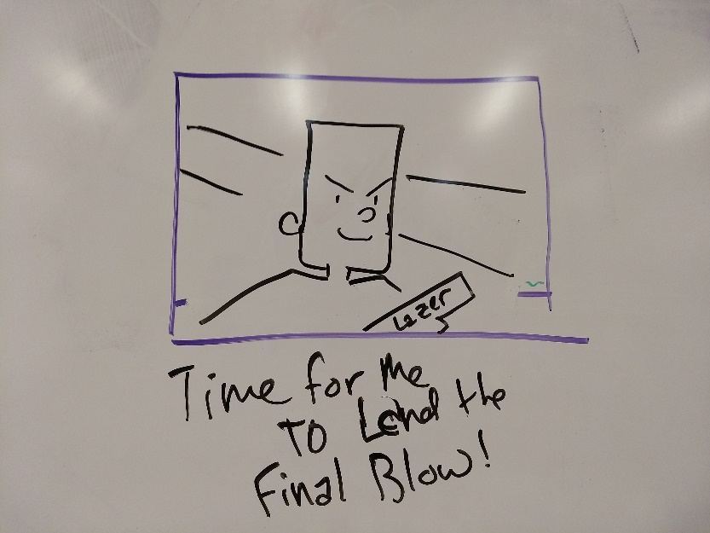
Raven lines up his shot | Get a line of sight shot of Raven lining up the gun on the monster. | Develop anticipation | Anticipation
Katey has already beaten the monster | Raven lines up the shot to find that Katey has already defeated the monster. She stands on top of it, victorious | Subvert expectations. | Surprised
Joke | "Looks like this monster got cooked!' or some other cheesy broccoli-related pun | Joke | Laugh | 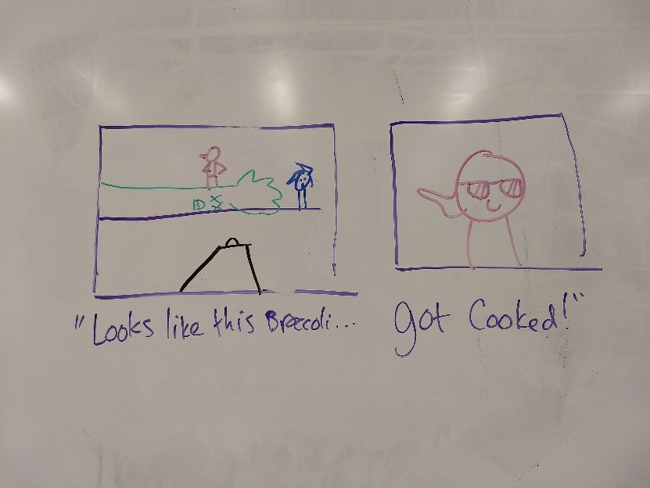
Roll Credits | Credits go by. The characters continue for few more lines with some more broccoli-related puns | Continue the joke through the credits | That was awesome! | 